Script
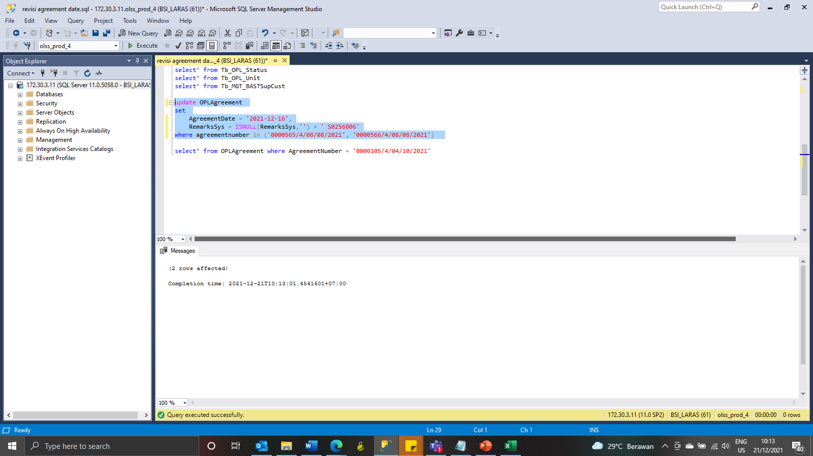

update OPLAgreement
set
 | AgreementDate = '2021-12-16',
 | RemarksSys = ISNULL(RemarksSys,'') + ' S0256806'
where agreementnumber in ('0000565/4/08/08/2021', '0000566/4/08/08/2021')

Screenshot
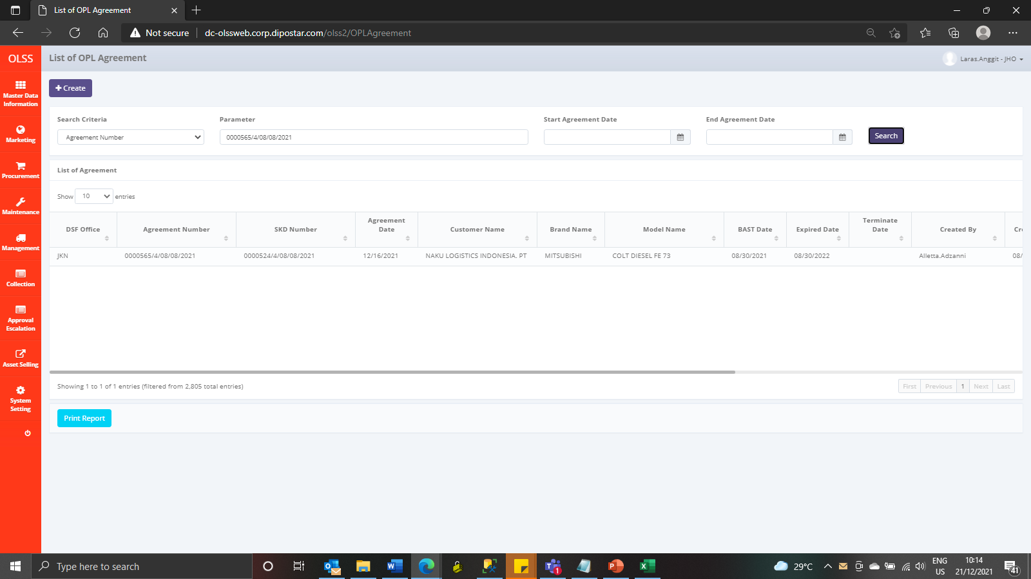
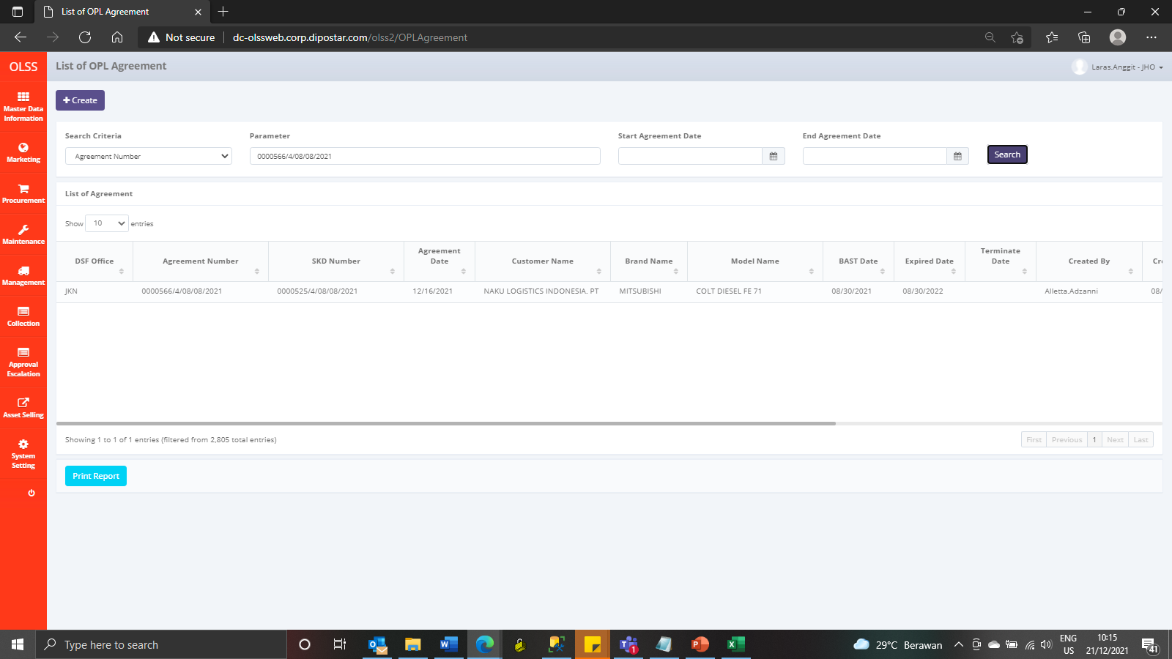
BEFORE



AFTER

